General Notes
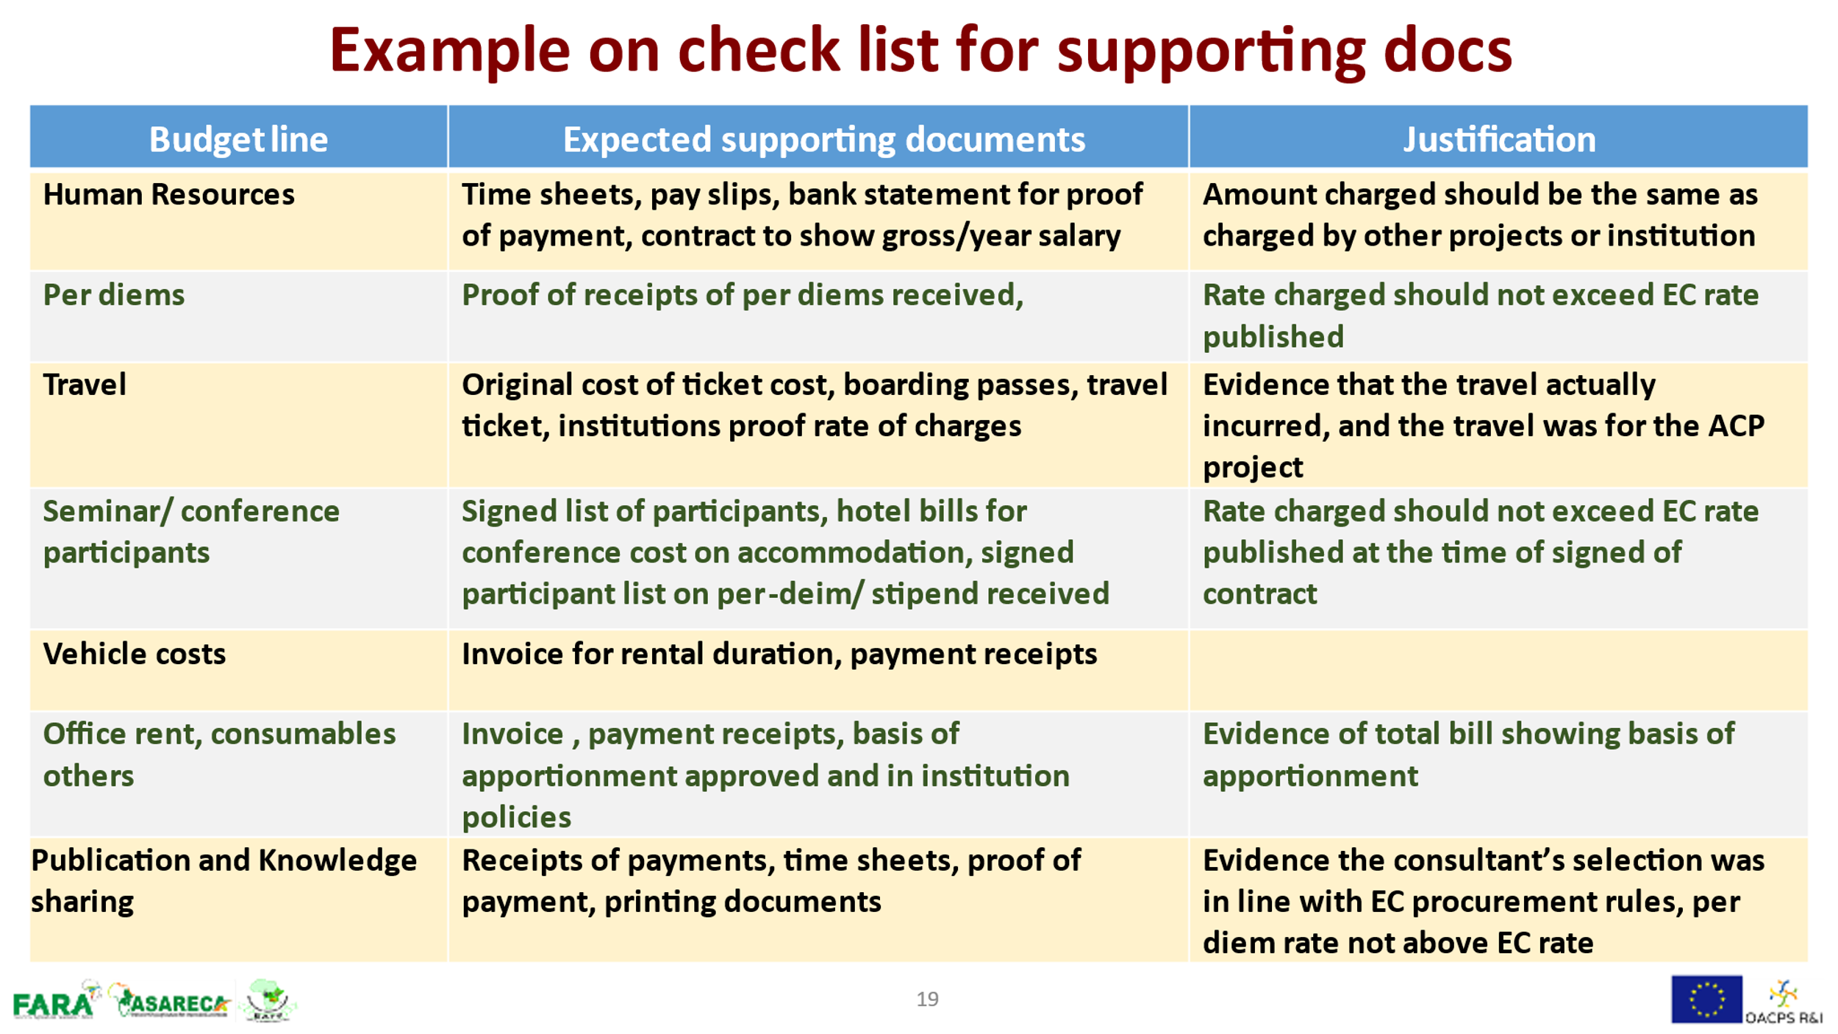
Budget Notes

Description | Purpose | Your project
Global Budget Summary | This overview gives you a quick glance of the main budget headings. | The cells are automatically updated with the information from the worksheet 'Budget breakdown': do not type in this worksheet !
Budget Breakdown Details | This is the budget presenting all budget items with cost estimates which are expected to be incurred during the implementation of your project. | Budget for all items under the following categories: Human Resources, Training/Workshops/Conference/Seminars, Travel, Equipment, Research Costs, Other Costs/Services and Operational Costs.
 |  | Apply the guidance in the notes below the budget template.
Budget Justification | This is additional information to support your budget. | For each budget item, provide a narrative clarification demonstrating the necessity of the costs and how they relate to your project.
 |  | For each budget item, provide a justification of the calculation of the estimated costs.

The table below presents information that is required to be submitted at the annual reporting stages

